1. Title Page
[Project Name]

Project Name: Instacart Analysis
Date: 11/26/23
Analyst Name: Thalia GIraldo

Contents:
Population Flow
Consistency checks
Wrangling steps
Column derivations
Visualizations
Recommendations

2. Population Flow
 | Title page

Population flow

Exclusion flag
Condition: max_order <
Obervations to be removed:
Final total count of order_products_all:

Orders_products_combined
Orders_products_merged
Orders_products_all

Total: 32,404,859
Total:
Total: 32404859
32,434,489

1.) The grey boxes in the first row of the population flow represent the original data sets as they were when you downloaded them. In the Total fields you need to add the count of the rows when you imported the data set into Jupyter.
2.) The second row of boxes (coloured) represents the data sets after you manipulated them, e.g., removed missing values and duplicates. In the Total fields you need to add the count of the rows after conducting these operations. This offers a visual oveview of how the data flows throughout the data consistency checks.
3.) The third row, where also the arrows are coloured, represents the merges you performed between the datasets. In the Total fields you need to add the count of the rows in the merged datasets, so that you end up with the final dataset (in the red box). Keep in mind the final dataset should be without exclusions (based on the exclusion flag).

3. Consistency checks
 |  |  |  | Title page
Consistency checks

Dataset | Missing values | Missing values treatment | Duplicates
orders | customers with first order have missing values in days_since_last_order column | Left as is | no dups
products | 16 product name values | Left as is | no dups
orders_products_prior | no missing |  | no dups
customers | no missing | no dups

4. Wrangling steps
 |  |  |  | Title page
Wrangling steps

Columns dropped | Columns renamed | Columns' type changed | Comment/Reason
eval_set |  |  | column no necessary
 | order_dow to order_day_of_week |  | renamed for clarity
 |  | order_id from int64 to string | values are not numeric
 |  | user_id r=from int64 to string | values are not numeric
 | days_since_prior_order to days_since_last_order |  | clarity
 |  | Uppercase all columns | Consistency
 | Surnam to Last_Name
 | STATE to State
 | First Name to First_Name | First Name changed to string | Was mixed data type
merge or merge indicator |  |  | Removed bc they were unnecessary

5. Column Derivations
Column derivations and aggregations

In this tab you should add tables below that the frequences of flags/label variables that you produced after deriving them. NB: don't do this for continuous variables, only for flags.
Dataset | New column | Column/s it was derived from | Conditions
orders_products_merged.pkl | price_label | prices | if row['prices'] <= 5: return 'Low range product' elif (row['prices'] > 5) and (row['prices'] <= 15): return 'Mid range product' elif row['prices'] > 15: return 'High range product' else: return np.nan
orders_products_merged.pkl | price_range_loc | prices | df.loc[df['prices'] > 15, 'price_range_loc'] = 'High range product' df.loc[df['prices'] > 15, 'price_range_loc'] = 'High range product' df.loc[(df['prices'] <= 15) & (df['prices'] > 5), 'price_range_loc'] = 'Mid range product' df.loc[df['prices'] <= 5, 'price_range_loc'] = 'Low range product'
orders_products_merged.pkl | busiest_day | orders_day_of_week | result = [] for value in ords_prods_merged["orders_day_of_week"]: if value == 0: result.append("Busiest day") elif value == 4: result.append("Least busy") else: result.append("Regularly busy")
orders_products_merged.pkl | busiest_day | orders_day_of_week | result = [] for value in ords_prods_merged["orders_day_of_week"]: if value == 0: result.append("Busiest day") elif value == 1: result.append("Busiest day") elif value == 4: result.append("Slowest day") elif value == 3: result.append("Slowest day") else: result.append("Regularly busy") ord_prods_merge["busiest_days"] = result
orders_products_merged.pkl | busiest_period_of_day | order_hour_of_day | period = [] # Create thresholds for most, average, and fewest orders most_orders_hours = [10, 11, 14, 15,14] fewest_orders_hours = [4, 3, 2, 5, 1, 0]# Label each 'order_hour_of_day' column for hour in ords_prods_merge['order_hour_of_day']: if hour in most_orders_hours: periods.append("Most_orders") elif hour in fewest_orders_hours: periods.append("Fewest_orders") else: periods.append("Average_orders"). # Create a new column in df with the labels ords_prods_merge['busiest_period_of_day'] = periods
orders_products_merged_updated | loyalty flag | max_order | ords_prods_merge.loc[ords_prods_merge['max_order'] > 40, 'loyalty_flag'] = 'Loyal customer' ords_prods_merge.loc[(ords_prods_merge['max_order'] <= 40) & (ords_prods_merge['max_order'] > 10), 'loyalty_flag'] = 'Regular customer' ords_prods_merge.loc[ords_prods_merge['max_order'] <= 10, 'loyalty_flag'] = 'New customer'
orders_products_merged_updated | average_price | user_id & prices | ords_prods_merge['average_price'] = ords_prods_merge.groupby(['user_id'])['prices'].transform(np.mean)
orders_products_merged_updated | spending_flag | average_prices | # creating "Spending_flag" for average price < 10 as low spender ords_prods_merge.loc[ords_prods_merge['average_price'] < 10, 'spending_flag'] = 'Low spender' #creating "Spending_flag" for average price >= 10 as High spender ords_prods_merge.loc[ords_prods_merge['average_price'] >= 10, 'spending_flag'] = 'High spender'
orders_products_merged_updated | median orders | user_id & days_since_prior_order | ords_prods_merge['median_orders'] = ords_prods_merge.groupby(['user_id'])['days_since_prior_order'].transform(np.median)
orders_products_merged_updated | order_frequency_flag | median_orders | ords_prods_merge.loc[ords_prods_merge['median_orders'] > 20, 'order_frequency_flag'] = 'Non-frequent customer' ords_prods_merge.loc[(ords_prods_merge['median_orders'] > 10) & (ords_prods_merge['median_orders'] <= 20), 'order_frequency_flag'] = 'Regular customer' ords_prods_merge.loc[ords_prods_merge['median_orders'] <= 10, 'order_frequency_flag'] = 'Frequent customer'
orders_products_customer_merge.pkl | region | state | state_to_region = { 'Connecticut': 'Northeast', 'Maine': 'Northeast', 'Massachusetts': 'Northeast', 'New Hampshire': 'Northeast', 'Rhode Island': 'Northeast', 'Vermont': 'Northeast', 'New Jersey': 'Northeast', 'New York':'Northeast', 'Pennsylvania':'Northeast', 'Illinois': 'Midwest', 'Indiana': 'Midwest', 'Michigan': 'Midwest', 'Ohio': 'Midwest', 'Wisconsin': 'Midwest', 'Iowa': 'Midwest', 'Kansas': 'Midwest', 'Minnesota': 'Midwest', 'Missouri': 'Midwest', 'Nebraska': 'Midwest', 'North Dakota': 'Midwest', 'South Dakota': 'Midwest', 'Delaware': 'South', 'Florida': 'South', 'Georgia': 'South', 'Maryland': 'South', 'North Carolina': 'South', 'South Carolina': 'South', 'Virginia': 'South', 'District of Columbia': 'South', 'West Virginia': 'South', 'Alabama': 'South', 'Kentucky': 'South', 'Mississippi': 'South', 'Tennessee': 'South', 'Arkansas': 'South', 'Louisiana': 'South', 'Oklahoma': 'South', 'Texas': 'South', 'Arizona': 'West', 'Colorado': 'West', 'Idaho': 'West', 'Montana': 'West', 'Nevada': 'West', 'New Mexico': 'West', 'Utah': 'West', 'Wyoming': 'West', 'Alaska': 'West', 'California': 'West', 'Hawaii': 'West', 'Oregon': 'West', 'Washington': 'West'} # Map the states to regions and create a new 'Region' column df['Region'] = df['State'].map(state_to_region)
 | Exclsion Flag | Max Order | df.loc[df['Max_order'] <= 5, 'Exclusion_flag'] = 'Low_activity', df.loc[df['Max_order'] > 6, 'Exclusion_flag'] = 'Regular_activity'
orders_products_customer_merge.pkl | babies_purchases | department_id | babies_purchases = df[df['Department_id'] == 18].groupby('User_id')['Order_id'].count().reset_index() babies_purchases.rename(columns={'Order_id': 'babies_department_purchases'}, inplace=True)
orders_products_customer_merge.pkl | Customer_profile | Age, income, babies_department_purchases | df.loc[ ((df['Age'] <= 45) & (df['N_dependants'] >= 1) & (df['babies_department_purchases'] > 5) & (df['Income'] < 56000)), 'Customer_profile'] = 'Young_Parent_LI' df.loc[ ((df['Age'] <= 45) & (df['N_dependants'] >= 1) & (df['babies_department_purchases'] > 5) & (df['Income'] >= 56000) & (df['Income'] <= 114000)), 'Customer_profile'] = 'Young_Parent_MI' df.loc[ ((df['Age'] <= 45) & (df['N_dependants'] >= 1) & (df['babies_department_purchases'] > 5) & (df['Income'] >= 114000)), 'Customer_profile'] = 'Young_Parent_HI' df.loc[ ((df['Age'] >= 46) & (df['N_dependants'] >= 1) & (df['babies_department_purchases'] > 5) & (df['Income'] <= 56000)), 'Customer_profile'] = 'Adult_Parent_LI' df.loc[ ((df['Age'] >= 46) & (df['N_dependants'] >= 1) & (df['babies_department_purchases'] > 5) & (df['Income'] >= 56000) & (df['Income'] <= 114000)), 'Customer_profile'] = 'Adult_Parent_MI' df.loc[ ((df['Age'] >= 46) & (df['N_dependants'] >= 1) & (df['babies_department_purchases'] > 5) & (df['Income'] >= 114000)), 'Customer_profile'] = 'Adult_Parent_HI' # Assign 'Other' to anyone not meeting the specified conditions df.loc[df['Customer_profile'].isnull(), 'Customer_profile'] = 'Other'

6. Visualizations
 |  |  |  | Title page

Visualisations

In this tab you should include all the visualtions from Exercises 4.9 and 4.10, alongside the questions from the project brief that they answer. Include any commentary on the relationship between different variables.




Bar Chart showing the distribution of orders for each day of the week' |  |  | Histogram showing the distribution of prices of items sold
The most orders are placed on Saturday and Sunday |  |  | Most items are valued at $15 and under

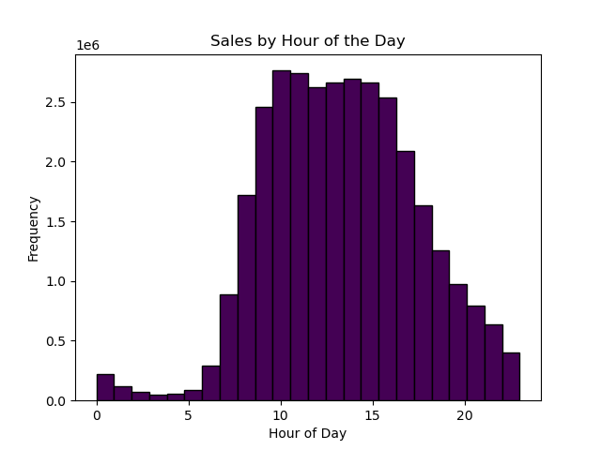
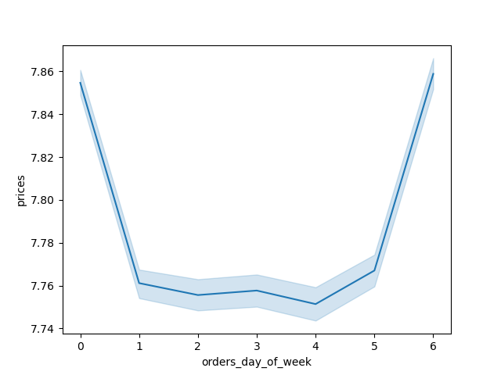

Line graph representing how prices of items sold differ throughout the week |  | Histogram shows the frequency in sales based on hour of the day
Most money is spent on Friday and Saturday |  | Most sales are done between 10AM and 3PM

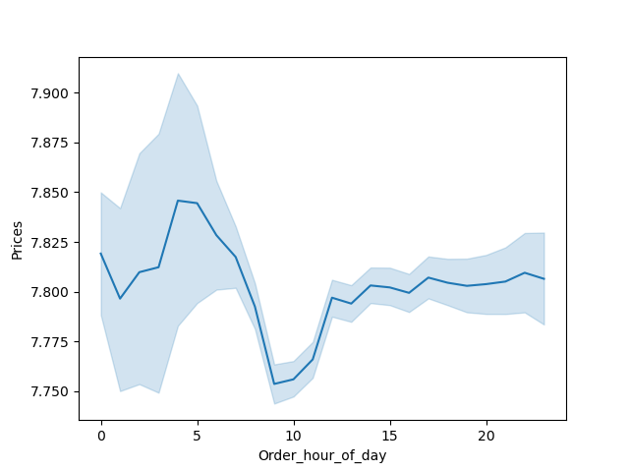
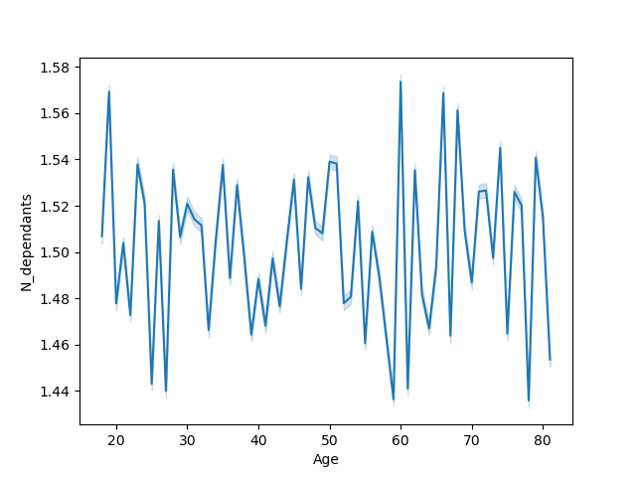

 |  |  | Linechart does not show a strong relationship between age and number of dependents.
Line graph representing how prices of items sold differ through the week
The morning sees the sales of higher ticket items, even though it's not when the most orders are purchased.
10AM which is the most popular purchase time, sees sales of lower ticket items.


Scatterplot represents the relationship between age and income
Age is trending to ther right which suggest that those who are older have more spending power.
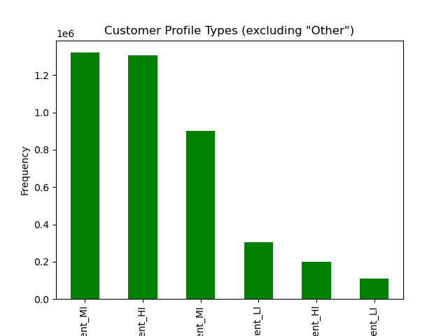
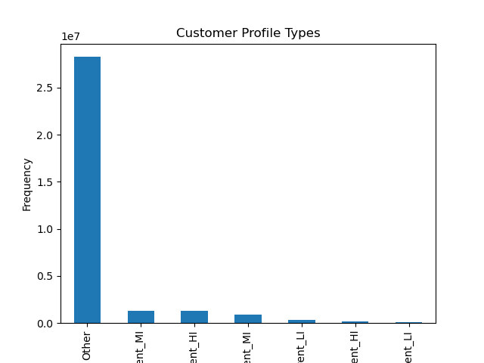

 | I developed 6 different profile types based on Parental Status and Income. | Bar chart represents distribution of profiles.
 | This graph also includes the category of other, which is anyone who is not a parent | Highest number of users in the Parent profile are Young Parents with Middle income
 |  | And Adult Parents of High Income
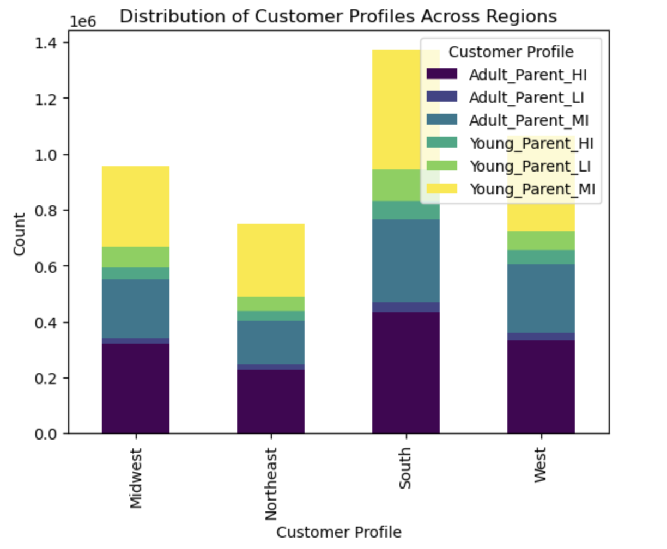
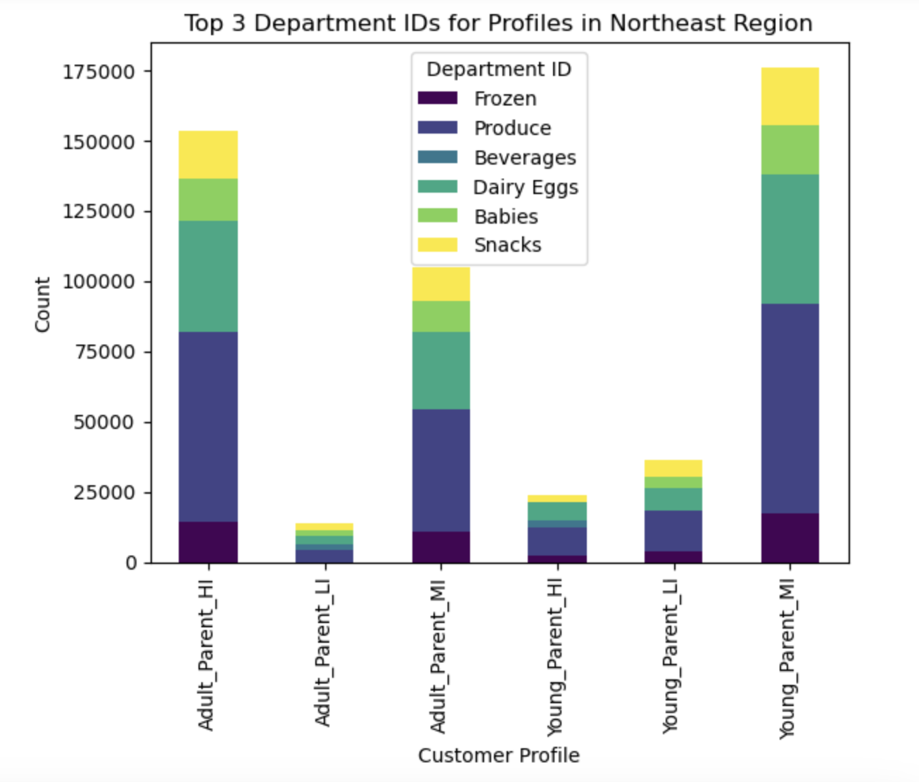

Bar graph shows distribution of the Parent profile across Regions. |  | Bar graph shows the top 5 most popular departments across Customer profiles in the Northeast Region
Most parents using the app are in the South

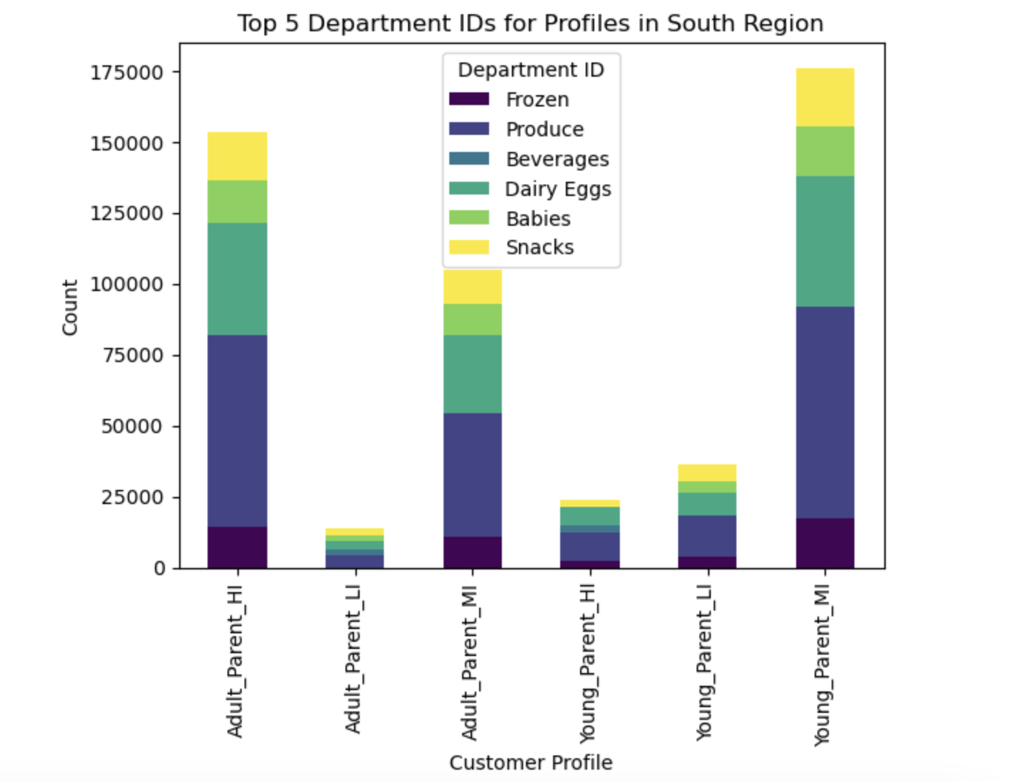
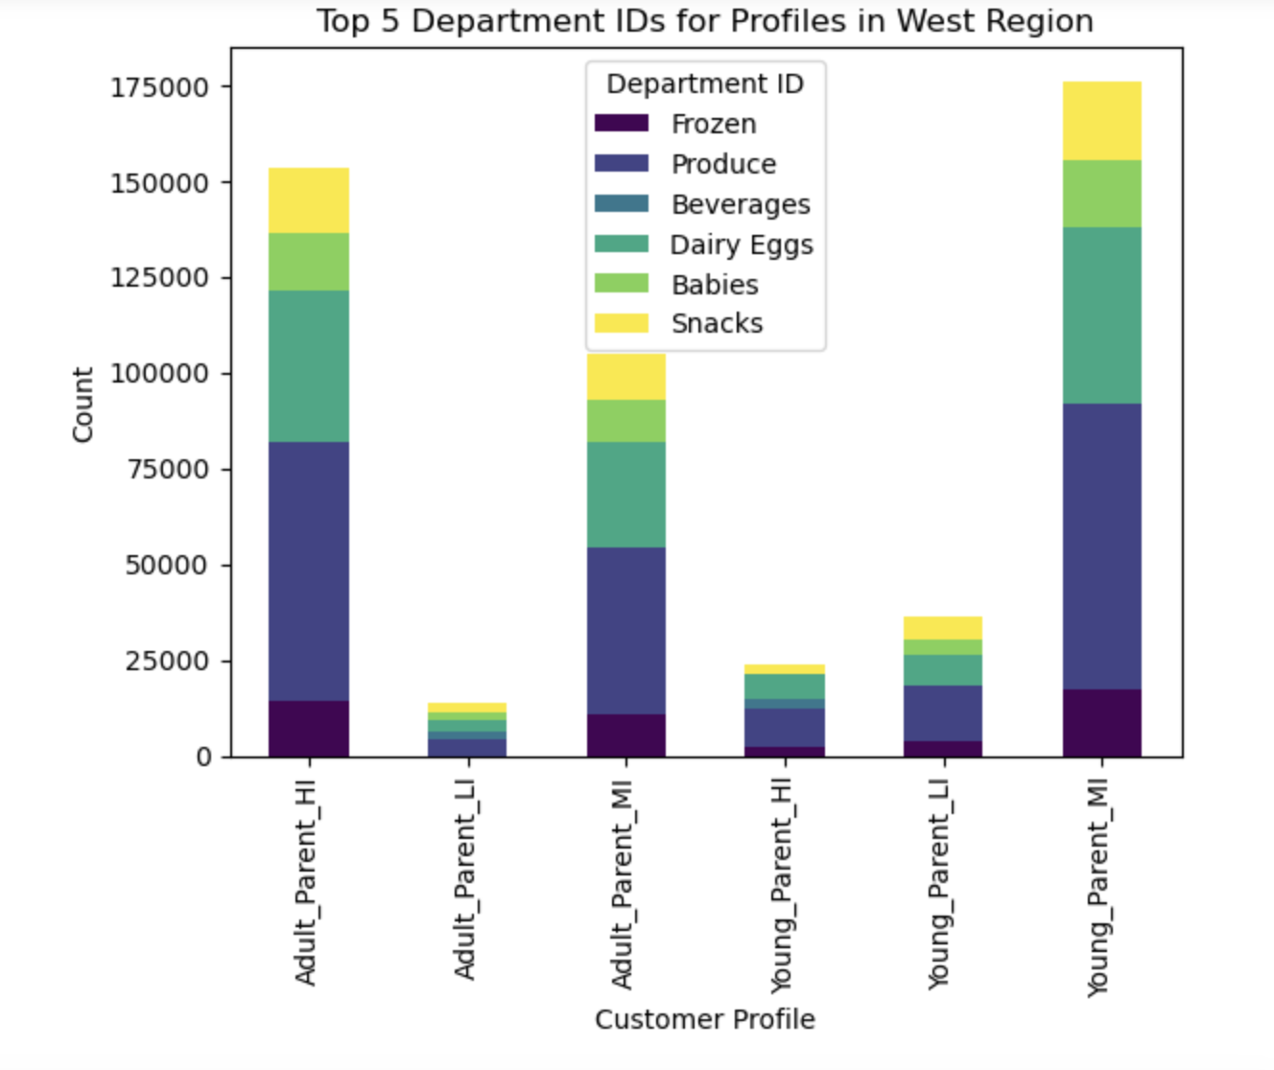

Bar graph shows the top 5 most popular departments across Customer profiles in the West Region |  |  | Bar graph shows the top 5 most popular departments across Customer profiles in the Southern Region

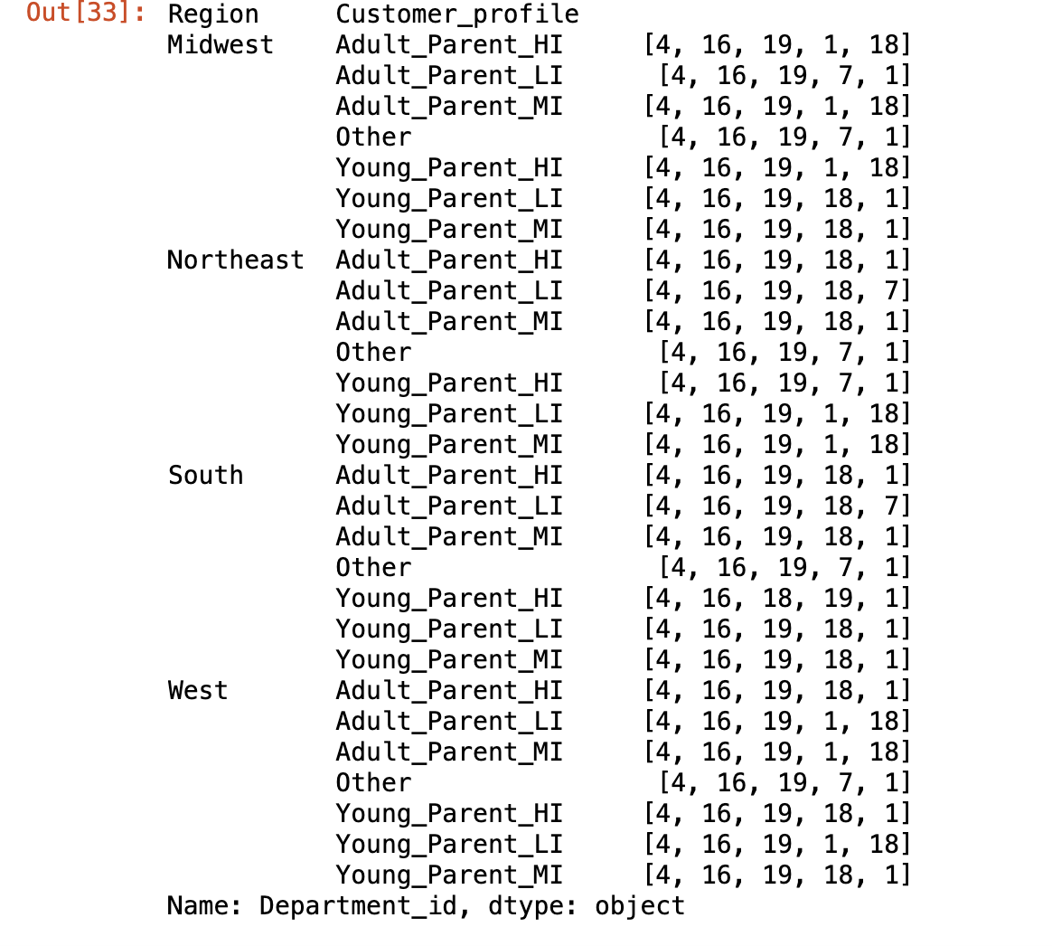
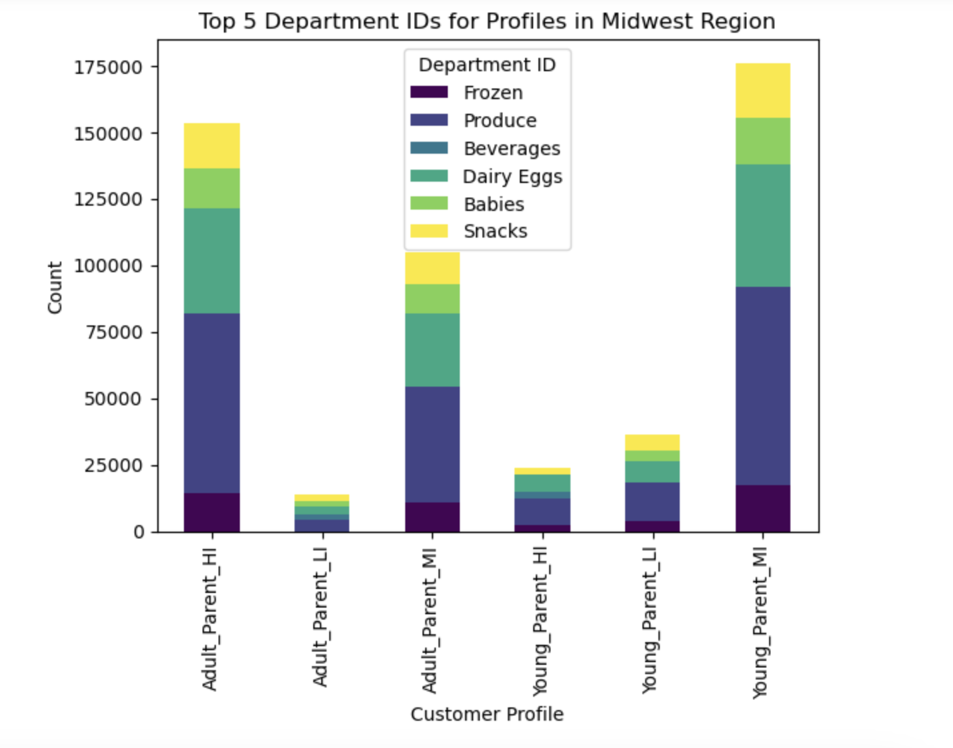

 |  |  | Table shows the top 5 most popular departments across regions

 | Bar graph shows the top 5 most popular departments across Customer profiles in the Midwest Region

7. Recommendations
 |  | Title page

Recommendations

In this tab you should include any recommendations you would made to Instcart in terms of their marketing strategy based on the questions posed in the brief. Every key question has been covered in the Tasks of the Exercises - here you need to add an item - a visualisation or table/crosstable that is showing the answer in the data, acompanied by a comment from you. Please, list the questions below and add the answer underneath.

Question | Answer
What are the most popular days and hours of the week to shop? | The most popular days of the week to shop are Saturday and Sunday, the weekend! The most popular hours to shop are in the morning and early afternoon. Therefore, Instcart should place ads and provide finanicial incentives during the week and in the later hours of the day to increase purchasing during those times.
Is there a difference in price of items sold during different times of the day? | Customers are more likely to purchase more expensive items around 3AM on Friday and Saturday. Instacart should consider placing ads for more expensive items during these times and suggest other items of similar or higher price during these times.
Is there a relationship between age and spending power? | Customers of the platform older than 40 have around $200,000 more spending power than those under 40. Instacart should advertise higher quality, more expensive items to those above 40.
What can we learn from analyzing customer profiles of parents? | Parents come in all shapes and sizes. My analysis breaks down parents of different incomes, Low, Mid, and High. It also distingueshes between parents under 40. This is done create some flexibility for the notion of grandparents who have full care of their grandchildren. Young Parents Middle Income and Adult Parents High Income make up the top 2 users of parents. Instcart should advertise relevant children items. Since they are Middle to High Income the items can be a tier above generic items.
What departments are most popular amoung customer profiles? | Produce, Dairy and Snacks are the top 3 most popular departments regardless of parent profile. This includes the Non-Parent Category. Instcart should have frequent BOGO deals for these departments.

